Overview
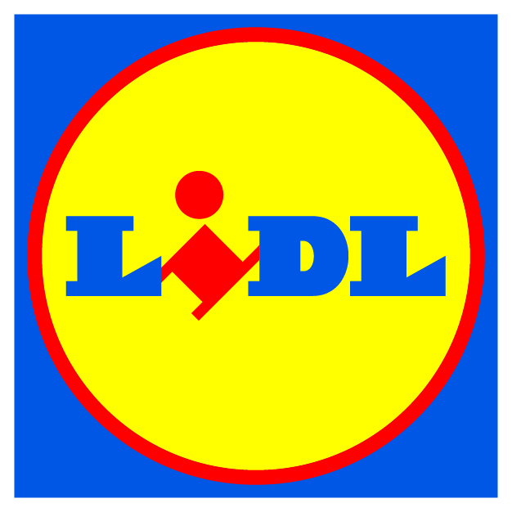
LIDL Soy Declaration

Start Period | 2020-03-01 | End Period | 2021-02-28

Background
We are looking to work with selected suppliers in our value chain to understand the origin and sustainability status of the soymeal used in feed to produce the livestock-based products and ingredients we sell in our stores. The information that you supply will enable us to understand where the animal feed ultimately used to produce the meat, fish, egg, and dairy products you provide.
Guidance for completing the survey
· There are two areas that we are seeking information on:
1. Livestock ingredient suppliers - who you buy your retailer own-label livestock-based ingredients from
2. Livestock products supplied - what products you supplied and how you delivered
We will contact these suppliers to collect soy and feed information.
· We will contact your suppliers to directly collect information related to the soy embodied in your products.
 | ► If you track or already have information related to soy use in your products, please let us know.
· Getting the right data:
 | ► Supplied tonnages should be consistent with your sales data to the respective retailers.
 | ► Data should relate to relevant retailer own label livestock only.
 | ► Compound ingredients are excluded (e.g. egg noodles)

Please do not alter this form. To get in touch with our partner for support, please schedule a meeting by clicking the link below or by reaching them via e-mail or phone:
 | Schedule a meeting
 | Soy@3Keel.com
 | +44 (0) 1993 764 710

