Overview
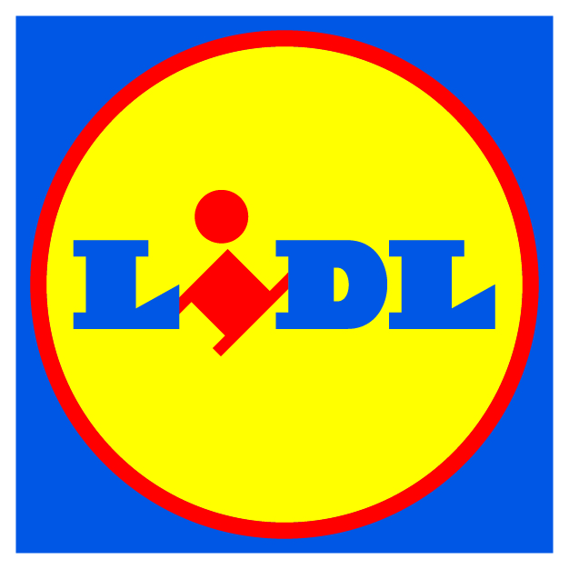
Lidl Palm Oil Sourcing Survey

Start Period | 2020-03-01 | End Period | 2021-02-28

Background
· Every year as a member of the Roundtable on Sustainable Palm Oil (RSPO) our company has disclosed the amount of palm oil sold in our products and its associated certification status for our German and UK markets. In the past we have done this largely on our own for just these two markets, but we are now expanding this work to the entire Lidl Group.

Guidance for completing the survey
· There are two areas that we are seeking information on:
1. Products - International Article Number (IAN) disclosure of the amount, type, and certification status of the palm used in our products.
2. Supply Chain - Disclosure of the companies and importers you are sourcing palm products from.
· The survey determines the total tonnage of RSPO certified palm ingredients that are present in our supply chain. This is established by:
 | ► Identifying the certification status of the palm products you purchase and handle through your direct operations.
 | ► Providing the total volume of palm products you buy directly as a raw material or ingredient and include in our products.
· Getting the right data:
 | ► Select the appropriate “Lidl Market” within your submission, please only provide product data that relates to that specific national supply chain.
 | ► Data should relate to Lidl own label products only.
 | ► Validate your data against total production volumes for the period between 01/03/2020 - 28/02/2021.
 | ► Ensure that you have evidence of certification from your suppliers for any claimed RSPO amounts.

· Please do not alter this form. To get in touch with our partner for support schedule a meeting by clicking the link below or by reaching them via e-mail or phone:
 | Schedule a meeting |  |  | IP
 | Palm@3Keel.com |  |  | Certificates
 | +44 (0) 1993 764 710 |  |  | Mass Balance
 |  |  |  | Segregated
 |  |  |  | Not Certified

